About
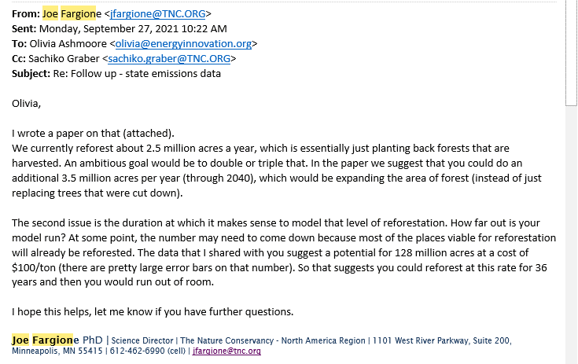
PLANAbPiaSY Potential Land Area Newly Affected by Policy in a Single Year

Sources: | Acres Available for Afforestation and Reforestation
 | Ross W. Gorte, Congressional Research Service
 | 2009
 | U.S. Tree Planting for Carbon Sequestration
 | https://www.fas.org/sgp/crs/misc/R40562.pdf
 | Page 2, Paragraph 2

 | Annual Acreage Cut
 | Forestry Industry and Analysis National Program
 | 2003
 | Trend Data
 | http://www.fia.fs.fed.us/slides/major-trends.pdf
 | Slide 5

 | U.S. Forest Acreage has been Increasing in All Regions
 | U.S. Forest Service
 | 2014
 | U.S. Forest Resource Facts and Historical Trends
 | http://www.fia.fs.fed.us/library/brochures/docs/2012/ForestFacts_1952-2012_English.pdf
 | Page 8

 | Total Forest Acreage
 | Congressional Research Service
 | 2021
 | U.S. Forest Ownership and Management
 | https://crsreports.congress.gov/product/pdf/IF/IF12001#:~:text=Most%20of%20the%20527%20million,by%20state%20and%20local%20governments.

 | CO2 per land unit: reforestation and avoided deforestation
 | Nature4Climate
 | US Carbon Mapper
 | https://nature4climate.org/u-s-carbon-mapper/
 | Data underlying the online mapper send by Joe Fargione upon request September 22, 2021

 | Reforestation per year
 | Fargione, et al.
 | Challenges to the Reforestation Pipeline in the United States
 | Frontiers in Forests and Global Change
 | February 2021
 | https://www.frontiersin.org/articles/10.3389/ffgc.2021.629198/full

Notes
Peatland restoration and and forest restoration policies
are not used in the U.S. version of the model.

Because most forest management policies in the US are targeted at privately
owned lands, we calculate the available acreage for the forest management
policy based on a share of private owned forests.

Guidance regarding acres available per year in TNC data:

